Workout
Accounting and Financial Analysis

Workout
 | What is the number of shares outstanding?

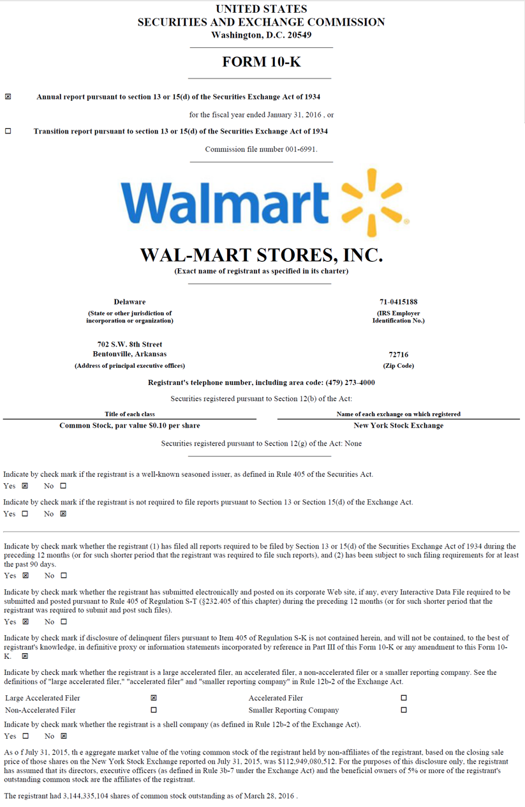

 | Shares outstanding | 3,144,335,104.0

